Pricing
Pricing
Client/Customer | Date | Task | Description | Status | Time Taken | Comment | Loreal Tesco error message
COTY/TESCO | 2024-02-27 | 1 | Download Price Data; Use "J:\PRICING Tesco Pricing Guide.docx" and follow steps | 3 | 0:03:00 | NB: Supplier search (Coty UK & I LTD(VF))
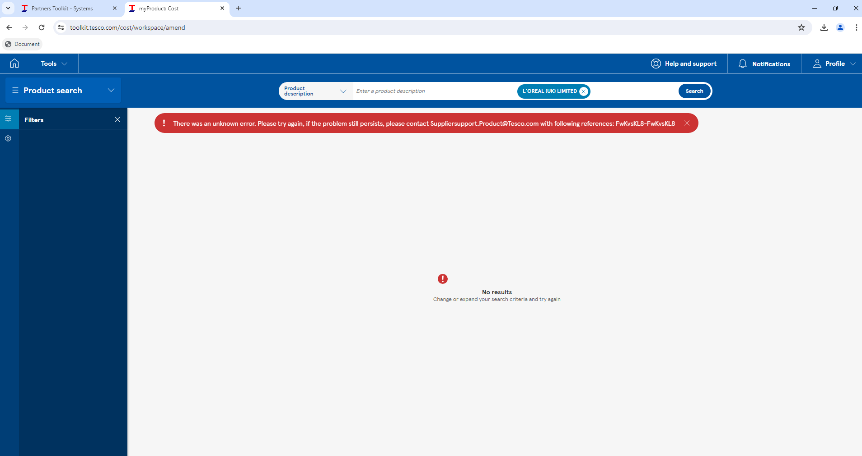
 |  | 2 | Import Price data to SQL; Use “C:\Users\python\Desktop\projects\bat_files\Price_File_Builders\ Tesco_Price_File_Builder.bat” | 3 | 0:15:00 | Cycle through all Clients…
ALL CLIENTS/TESCO | 2024-05-22 | 1 | Download Price Data; Use "J:\PRICING Tesco Pricing Guide.docx" and follow steps | 3 | 0:03:00 | Downloaded from Tesco portal: Ab_InBev. Start date: 01/05/2000 End date: 22/05/2024
 |  | 2 | Download Price Data; Use "J:\PRICING Tesco Pricing Guide.docx" and follow steps | 3 | 0:03:00 | Downloaded from Tesco portal: Ag_Barr. Start date: 01/05/2000 End date: 22/05/2024
 |  | 3 | Download Price Data; Use "J:\PRICING Tesco Pricing Guide.docx" and follow steps | 3 | 0:03:00 | Downloaded from Tesco portal: Bacardi. Start date: 01/05/2000 End date: 22/05/2024
 |  | 4 | Download Price Data; Use "J:\PRICING Tesco Pricing Guide.docx" and follow steps | 3 | 0:03:00 | Downloaded from Tesco portal: Burtons. Start date: 01/05/2000 End date: 22/05/2024
 |  | 5 | Download Price Data; Use "J:\PRICING Tesco Pricing Guide.docx" and follow steps | 3 | 0:03:00 | Downloaded from Tesco portal: Coty. Start date: 01/05/2000 End date: 22/05/2024
 |  | 6 | Download Price Data; Use "J:\PRICING Tesco Pricing Guide.docx" and follow steps | 3 | 0:03:00 | Downloaded from Tesco portal: Finsbury_Foods. Start date: 01/05/2000 End date: 22/05/2024
 |  | 7 | Download Price Data; Use "J:\PRICING Tesco Pricing Guide.docx" and follow steps | 3 | 0:03:00 | Downloaded from Tesco portal: Heineken. Start date: 01/05/2000 End date: 22/05/2024
 |  | 8 | Download Price Data; Use "J:\PRICING Tesco Pricing Guide.docx" and follow steps | 2 | 0:03:00 | Can't download data. Error message occurs: look to the right for a picture of the message
 |  | 9 | Download Price Data; Use "J:\PRICING Tesco Pricing Guide.docx" and follow steps | 3 | 0:03:00 | Downloaded from Tesco portal: Maxxium. Start date: 01/05/2000 End date: 22/05/2024
 |  | 10 | Download Price Data; Use "J:\PRICING Tesco Pricing Guide.docx" and follow steps | 3 | 0:25:00 | Downloaded from Tesco portal (had to download in segments to avoid crashes, around 28,000 lines): Pladis. Start date: 01/05/2000 End date: 22/05/2024
 |  | 11 | Download Price Data; Use "J:\PRICING Tesco Pricing Guide.docx" and follow steps | 3 | 0:40:00 | Downloaded from Tesco portal (had to download in segments to avoid crashes, around 65,000 lines): Premier_Foods. Start date: 01/05/2000 End date: 22/05/2024
 |  | 12 | Download Price Data; Use "J:\PRICING Tesco Pricing Guide.docx" and follow steps | 3 | 0:20:00 | Downloaded from Tesco portal (had to download in segments to avoid crashes, around 32,000 lines): Princes. Start date: 01/05/2000 End date: 22/05/2024
 |  | 13 | Download Price Data; Use "J:\PRICING Tesco Pricing Guide.docx" and follow steps | 3 | 0:03:00 | Downloaded from Tesco portal: Tilda. Start date: 01/05/2000 End date: 22/05/2024
 |  | 14 | Import Price data to SQL; Use “C:\Users\python\Desktop\projects\bat_files\Price_File_Builders\ Tesco_Price_File_Builder.bat” | 3 | 0:32:00 | Started: 15:04 Ended: 15:46. Cycled through all Clients
BACARDI/COOP | 2024-06-18 | 1 | DOWNLOAD: Run the file “C:\Users\python\Desktop\projects\bat_files\Promo Schedules\COOP_Connect_Download.bat” Press “y” (must be lower case) on the CLI window, this will load the login page. Fill in the login process manually, 2fa where needed. After the webpage loads, a login error page will appear, press enter on the CLI window. This will load the Co-op portal. Press enter on the CLI again when the portal is loaded. You will then need to type the Salitix client code and press enter. Let the download process run Once this step is completed, the co-op pricing data should be loaded in the SQL table. [Salitix_Pricing_Data_Staging].[dbo].[Pricing_Coop_Stg] | 3 | 0:35:00 | Started - 2024-06-18 09:22 Ended - 2024-06-18 09:57
 |  | 2 | DETAIL: Run the file “C:\Users\python\Desktop\projects\bat_files\Promo Schedules\COOP_Connect_Download.bat” Press “n” (must be lower case) on the cli, then press “y” (has to be lower case) on the cli this will load the login page. Fill in the login process manually, 2fa where needed. After the webpage loads, a login error page will appear, press enter on the CLI window. This will load the Co-op portal. Press enter on the CLI again when the portal is loaded. You will then need to type the Salitix client code and press enter. Let the detail process run Once both steps are completed, the co-op pricing data should be loaded in the SQL table. [Salitix_Pricing_Data_Formatted].[dbo].[Pricing_Coop_Ftd] Common error here is the wrong url, you will need to update this in the sql table if that is the case, interrogating the url in the scraping. | 3 | 7:39:00 | Started - 2024-06-18 10:04 Ended - 2024-06-18 05:43
PLADIS/COOP | 2024-06-27 | 1 | DOWNLOAD: Run the file “C:\Users\python\Desktop\projects\bat_files\Promo Schedules\COOP_Connect_Download.bat” Press “y” (must be lower case) on the CLI window, this will load the login page. Fill in the login process manually, 2fa where needed. After the webpage loads, a login error page will appear, press enter on the CLI window. This will load the Co-op portal. Press enter on the CLI again when the portal is loaded. You will then need to type the Salitix client code and press enter. Let the download process run Once this step is completed, the co-op pricing data should be loaded in the SQL table. [Salitix_Pricing_Data_Staging].[dbo].[Pricing_Coop_Stg] | 3 | 0:25:00 | Started - 2024-06-27 08:47 Ended - 2024-06-27 09:12
 |  | 2 | DETAIL: Run the file “C:\Users\python\Desktop\projects\bat_files\Promo Schedules\COOP_Connect_Download.bat” Press “n” (must be lower case) on the cli, then press “y” (has to be lower case) on the cli this will load the login page. Fill in the login process manually, 2fa where needed. After the webpage loads, a login error page will appear, press enter on the CLI window. This will load the Co-op portal. Press enter on the CLI again when the portal is loaded. You will then need to type the Salitix client code and press enter. Let the detail process run Once both steps are completed, the co-op pricing data should be loaded in the SQL table. [Salitix_Pricing_Data_Formatted].[dbo].[Pricing_Coop_Ftd] Common error here is the wrong url, you will need to update this in the sql table if that is the case, interrogating the url in the scraping. | 3 | 7:33:00 | Started - 2024-06-27 09:23 Ended - 2024-06-27 04:56
AG BARR/COOP | 2024-07-03 | 1 | DOWNLOAD: Run the file “C:\Users\python\Desktop\projects\bat_files\Promo Schedules\COOP_Connect_Download.bat” Press “y” (must be lower case) on the CLI window, this will load the login page. Fill in the login process manually, 2fa where needed. After the webpage loads, a login error page will appear, press enter on the CLI window. This will load the Co-op portal. Press enter on the CLI again when the portal is loaded. You will then need to type the Salitix client code and press enter. Let the download process run Once this step is completed, the co-op pricing data should be loaded in the SQL table. [Salitix_Pricing_Data_Staging].[dbo].[Pricing_Coop_Stg] | 3 | 0:30:00 | Started - 2024-07-03 14:46 Ended - 2024-07-03 15:16
 |  | 2 | DETAIL: Run the file “C:\Users\python\Desktop\projects\bat_files\Promo Schedules\COOP_Connect_Download.bat” Press “n” (must be lower case) on the cli, then press “y” (has to be lower case) on the cli this will load the login page. Fill in the login process manually, 2fa where needed. After the webpage loads, a login error page will appear, press enter on the CLI window. This will load the Co-op portal. Press enter on the CLI again when the portal is loaded. You will then need to type the Salitix client code and press enter. Let the detail process run Once both steps are completed, the co-op pricing data should be loaded in the SQL table. [Salitix_Pricing_Data_Formatted].[dbo].[Pricing_Coop_Ftd] Common error here is the wrong url, you will need to update this in the sql table if that is the case, interrogating the url in the scraping. | 3 | 1:10:00 | Started - 2024-07-03 15:19 Ended - 2024-07-03 16:29
PREMIER_FOODS/COOP | 2024-07-03 | 1 | DOWNLOAD: Run the file “C:\Users\python\Desktop\projects\bat_files\Promo Schedules\COOP_Connect_Download.bat” Press “y” (must be lower case) on the CLI window, this will load the login page. Fill in the login process manually, 2fa where needed. After the webpage loads, a login error page will appear, press enter on the CLI window. This will load the Co-op portal. Press enter on the CLI again when the portal is loaded. You will then need to type the Salitix client code and press enter. Let the download process run Once this step is completed, the co-op pricing data should be loaded in the SQL table. [Salitix_Pricing_Data_Staging].[dbo].[Pricing_Coop_Stg] | 3 | 0:06:00 | Started - 2024-07-03 16:36 Ended - 2024-07-03 16:42
 |  | 2 | DETAIL: Run the file “C:\Users\python\Desktop\projects\bat_files\Promo Schedules\COOP_Connect_Download.bat” Press “n” (must be lower case) on the cli, then press “y” (has to be lower case) on the cli this will load the login page. Fill in the login process manually, 2fa where needed. After the webpage loads, a login error page will appear, press enter on the CLI window. This will load the Co-op portal. Press enter on the CLI again when the portal is loaded. You will then need to type the Salitix client code and press enter. Let the detail process run Once both steps are completed, the co-op pricing data should be loaded in the SQL table. [Salitix_Pricing_Data_Formatted].[dbo].[Pricing_Coop_Ftd] Common error here is the wrong url, you will need to update this in the sql table if that is the case, interrogating the url in the scraping. | 3 | ??:??:?? | Started - 2024-07-03 16:43 Ended - 2024-07-03 After work
AB INBEV/COOP | 2024-07-04 | 1 | DOWNLOAD: Run the file “C:\Users\python\Desktop\projects\bat_files\Promo Schedules\COOP_Connect_Download.bat” Press “y” (must be lower case) on the CLI window, this will load the login page. Fill in the login process manually, 2fa where needed. After the webpage loads, a login error page will appear, press enter on the CLI window. This will load the Co-op portal. Press enter on the CLI again when the portal is loaded. You will then need to type the Salitix client code and press enter. Let the download process run Once this step is completed, the co-op pricing data should be loaded in the SQL table. [Salitix_Pricing_Data_Staging].[dbo].[Pricing_Coop_Stg] | 3 | 0:42:00 | Started - 2024-07-04 09:54 Ended - 2024-07-04 10:36
 |  | 2 | DETAIL: Run the file “C:\Users\python\Desktop\projects\bat_files\Promo Schedules\COOP_Connect_Download.bat” Press “n” (must be lower case) on the cli, then press “y” (has to be lower case) on the cli this will load the login page. Fill in the login process manually, 2fa where needed. After the webpage loads, a login error page will appear, press enter on the CLI window. This will load the Co-op portal. Press enter on the CLI again when the portal is loaded. You will then need to type the Salitix client code and press enter. Let the detail process run Once both steps are completed, the co-op pricing data should be loaded in the SQL table. [Salitix_Pricing_Data_Formatted].[dbo].[Pricing_Coop_Ftd] Common error here is the wrong url, you will need to update this in the sql table if that is the case, interrogating the url in the scraping. | 3 | 1:24:00 | Started - 2024-07-04 10:40 Ended - 2024-07-04 12:04
PRINCES/COOP | 2024-07-04 | 1 | DOWNLOAD: Run the file “C:\Users\python\Desktop\projects\bat_files\Promo Schedules\COOP_Connect_Download.bat” Press “y” (must be lower case) on the CLI window, this will load the login page. Fill in the login process manually, 2fa where needed. After the webpage loads, a login error page will appear, press enter on the CLI window. This will load the Co-op portal. Press enter on the CLI again when the portal is loaded. You will then need to type the Salitix client code and press enter. Let the download process run Once this step is completed, the co-op pricing data should be loaded in the SQL table. [Salitix_Pricing_Data_Staging].[dbo].[Pricing_Coop_Stg] | 3 | 0:15:00 | Started - 2024-07-04 13:33 Ended - 2024-07-04 13:48
 |  | 2 | DETAIL: Run the file “C:\Users\python\Desktop\projects\bat_files\Promo Schedules\COOP_Connect_Download.bat” Press “n” (must be lower case) on the cli, then press “y” (has to be lower case) on the cli this will load the login page. Fill in the login process manually, 2fa where needed. After the webpage loads, a login error page will appear, press enter on the CLI window. This will load the Co-op portal. Press enter on the CLI again when the portal is loaded. You will then need to type the Salitix client code and press enter. Let the detail process run Once both steps are completed, the co-op pricing data should be loaded in the SQL table. [Salitix_Pricing_Data_Formatted].[dbo].[Pricing_Coop_Ftd] Common error here is the wrong url, you will need to update this in the sql table if that is the case, interrogating the url in the scraping. | 3 | 2:15:00 | Started - 2024-07-04 13:51 Ended - 2024-07-04 16:06

